PV-HUN
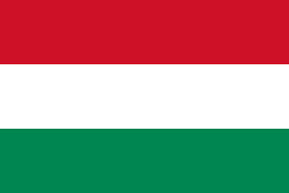
Pneumococcal vaccination - Hungary

Recommendations |  |  | National funding? |  |  | Coverage |  |  | Score key

 |  |  |  |  |  |  |  |  | Recommendations |  | Coverage
Children |  | ✓ | Children | ✓ |  | Children |  | 99.76%

At-risk groups |  | ✓ | At-risk groups | ✓* |  | At-risk groups |  | - | 3 recs. |  | >95%
 |  |  |  |  |  |  |  |  |  | 2 recs. | 90-94%
Older adults |  | ✓ | Older adults | X |  | Older adults |  | - |  | 1 rec. | 85-89%
 |  |  | Funding for programme through national health service (✓) or privately (X) |  |  |  |  |  |  | 0 recs. | 80-84%
Score: | 3 |  |  |  |  | Average: | ** |  | No data |  | <80%

Pneumococcal coverage by group, Hungary (2021)
Pneumococcal vaccination groups
Hungary makes recommendations for all three life-course groups:
Children aged 2 to 12 months.
At-risk groups of all ages, including people with compromised immunity; chronic patients who are more susceptible to serious pneumococcal infection due to their underlying disease: lung (COPD, asthma), heart, kidney, liver and diabetes patients, immunosuppressed; anatomical and functional spleen deficiency, spleen dysfunction; smokers - regardless of age or illness.
Older adults over the age of 60.

 |  | Children |  |  | 99.76%
 |  | At-risk groups |  |  | 0.00%
 |  | Older adults |  |  | 0.0%

Notes
*A pneumococcal vaccine can be ordered with a 70% subsidy for people with specific underlying health conditions.
**Average coverage figure unavailable due to missing coverage data.

Vaccination advisory board/
committee
Immunization Advisory Body (Védőoltási Tanácsadó Testület)
References
Recommendations:
https://vaccine-schedule.ecdc.europa.eu/Scheduler/ByDisease?SelectedDiseaseId=25&SelectedCountryIdByDisease=95
http://www.vacsatc.hu/?V%E9d%F5olt%E1si-M%F3dszertani-Lev%E9l-2018&pid=63
Children coverage:
https://immunizationdata.who.int/pages/coverage/pcv.html?CODE=HUN&ANTIGEN=PCV1+PCV2+PCV3&YEAR=

