PV-SVK
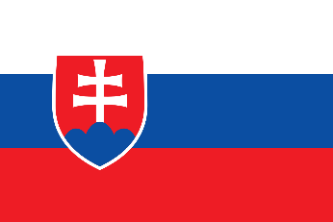
Pneumococcal vaccination - Slovakia

Recommendations |  |  | National funding? |  |  | Coverage |  |  | Score key

 |  |  |  |  |  |  |  |  | Recommendations |  | Coverage
Children |  | ✓ | Children | ✓ |  | Children |  | 96.86%

At-risk groups |  | X | At-risk groups | - |  | At-risk groups |  | - | 3 recs. |  | >95%
 |  |  |  |  |  |  |  |  |  | 2 recs. | 90-94%
Older adults |  | ✓ | Older adults | ✓ |  | Older adults |  | - |  | 1 rec. | 85-89%
 |  |  | Funding for programme through national health service (✓) or privately (X) |  |  |  |  |  |  | 0 recs. | 80-84%
Score: | 2 |  |  |  |  | Average: | * |  | No data |  | <80%

Pneumococcal coverage by group, Slovakia (2021)
Pneumococcal vaccination groups
Slovakia makes recommendations for two life-course groups:
Children aged 2 to 12 months.
Older adults over the age of 60.

 |  | Children |  |  | 96.86%
 |  | At-risk groups |  |  | 0.0%
 |  | Older adults |  |  | 0.0%

Vaccination advisory board/
committee
Working Group for Immunization Issues

Notes
*Average coverage figure unavailable due to missing recommendations and coverage data.

References
Recommendations:
https://vaccine-schedule.ecdc.europa.eu/Scheduler/ByDisease?SelectedDiseaseId=25&SelectedCountryIdByDisease=187
Children coverage:
https://immunizationdata.who.int/pages/coverage/pcv.html?CODE=SVK&ANTIGEN=PCV1+PCV2+PCV3&YEAR=

