PV-SRB
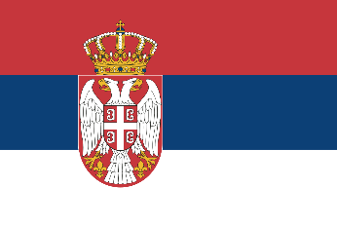
Pneumococcal vaccination - Serbia

Recommendations |  |  | National funding? |  |  | Coverage |  |  | Score key

 |  |  |  |  |  |  |  |  | Recommendations |  | Coverage
Children |  | ✓ | Children | ✓ |  | Children |  | 89.10%

At-risk groups |  | ✓ | At-risk groups | - |  | At-risk groups |  | - | 3 recs. |  | >95%
 |  |  |  |  |  |  |  |  |  | 2 recs. | 90-94%
Older adults |  | ✓ | Older adults | X |  | Older adults |  | - |  | 1 rec. | 85-89%
 |  |  | Funding for programme through national health service (✓) or privately (X) |  |  |  |  |  |  | 0 recs. | 80-84%
Score: | 3 |  |  |  |  | Average: | * |  | No data |  | <80%

Pneumococcal coverage by group, Serbia (2021)
Pneumococcal vaccination groups
Serbia makes recommendations for all three life-course groups:
Children aged 2 to 18 months.
At-risk groups including anatomical or functional asplenia and sickle cell anaemia; nephrotic syndrome; symptomatic and asymptomatic HIV infections; organ and tissue transplantation; malignant diseases; over 65 years old in collective accommodation; immobile residents in health and social care institutions; conditions that lead to leakage of cerebrospinal fluid; installation of cochlear implants; states of weakened immunity; children living in collective accommodation.
Older adults over the age of 50.

 |  | Children |  |  | 89.10%
 |  | At-risk groups |  |  | 0.0%
 |  | Older adults |  |  | 0.0%

Notes
*Average coverage figure unavailable due to missing coverage data.

References
Recommendations:
https://immunizationdata.who.int/pages/schedule-by-disease/pneumo.html?ISO_3_CODE=SRB&TARGETPOP_GENERAL=
http://www.pravno-informacioni-sistem.rs/SlGlasnikPortal/reg/viewAct/96fa2702-b7a4-4331-82f0-8628eed15f15
Children coverage:
https://immunizationdata.who.int/pages/coverage/pcv.html?CODE=SRB&ANTIGEN=PCV1+PCV2+PCV3&YEAR=

Vaccination advisory board/
committee
Institute of Public Health of Serbia (Institut za zaštitu zdravlja Srbije)
Visit website

