PV-NOR
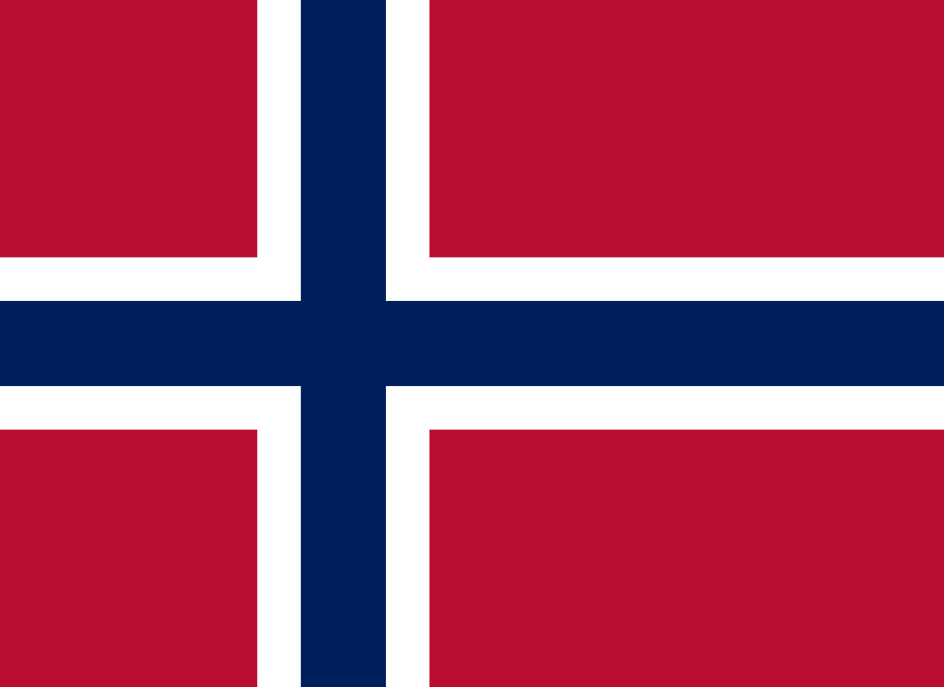
 | Pneumococcal vaccination - Norway

Recommendations |  |  | National funding? |  | Coverage |  |  | Score key

 |  |  |  |  |  |  |  | Recommendations |  | Coverage
Children |  | ✓ | Children | ✓ | Children |  | 95.71%

At-risk groups |  | ✓ | At-risk groups | X | At-risk groups |  | - | 3 recs. |  | >95%
 |  |  |  |  |  |  |  |  | 2 recs. | 90-94%
Older adults |  | ✓ | Older adults | X | Older adults |  | - |  | 1 rec. | 85-89%
 |  |  | Funding for programme through national health service (✓) or privately (X) |  |  |  |  |  | 0 recs. | 80-84%
Score: | 3 |  |  |  | Average: | * |  | No data |  | <80%

Pneumococcal coverage by group, Norway (2021)
Pneumococcal vaccination groups
Norway makes recommendations for all three life-course groups:
Children aged 3 to 12 months.
At-risk groups aged 2-64, including anatomical or functional splenic deficiency; cerebrospinal fluid leak; HIV/AIDS; B-cell deficiency; stem cell transplantation; haematological cancer (leukaemia, lymphoma and multiple myeloma); organ transplantation; cochlear implant; chronic liver disease; primary or congenital immunodeficiency condition; other cancers; chronic kidney disease; homeless and drug addicts; iatrogenic immunosuppression (except in case of organ transplantation); diabetes mellitus; celiac disease; reduced ventilation capacity; chronic lung disease; chronic heart disease; previously undergone pneumococcal pneumonia or IPD; alcoholism; smoking; occupational practice with increased risk.
Older adults over the age of 65.

 |  | Children |  | 95.71%
 |  | At-risk groups |  | 0.0%
 |  | Older adults |  | 0.0%

Notes
*Average coverage figure unavailable due to missing coverage data.

References
Recommendations:
https://vaccine-schedule.ecdc.europa.eu/Scheduler/ByDisease?SelectedDiseaseId=25&SelectedCountryIdByDisease=152
https://www.fhi.no/nettpub/vaksinasjonsveilederen-for-helsepersonell/vaksiner-mot-de-enkelte-sykdommene/pneumokokkvaksinasjon---veileder-fo/
Children coverage:
https://immunizationdata.who.int/pages/coverage/pcv.html?CODE=NOR&ANTIGEN=PCV1+PCV2+PCV3&YEAR=

Vaccination advisory board/
committee
Norwegian Institute of Public Health (Folkehelseinstituttet)
Visit website

