PV-MNE
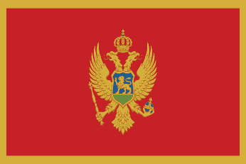
Pneumococcal vaccination - Montenegro

Recommendations |  |  | National funding? |  | Coverage |  |  | Score key

 |  |  |  |  |  |  |  | Recommendations |  | Coverage
Children |  | X | Children | - | Children |  | -

At-risk groups |  | X | At-risk groups | - | At-risk groups |  | - | 3 recs. |  | >95%
 |  |  |  |  |  |  |  |  | 2 recs. | 90-94%
Older adults |  | X | Older adults | - | Older adults |  | - |  | 1 rec. | 85-89%
 |  |  | Funding for programme through national health service (✓) or privately (X) |  |  |  |  |  | 0 recs. | 80-84%
Score: | 0 |  |  |  | Average: | - |  | No data |  | <80%

Pneumococcal coverage by group, Montenegro
Pneumococcal vaccination groups
Montenegro makes no recommendations for pneumococcal vaccination.
Children | 0.0%
At-risk groups | 0.0%
Older adults | 0.0%

Notes
Vaccination advisory board/
committee
Ministry of Health (Ministarstvo zdravlja)
Visit website

