PV-ALB
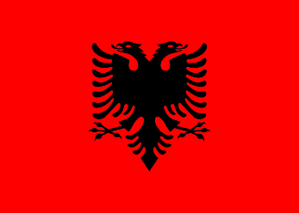
Pneumococcal vaccination - Albania

Recommendations |  |  | National funding? |  | Coverage |  |  | Score key

 |  |  |  |  |  |  |  | Recommendations |  | Coverage
Children |  | ✓ | Children | ✓ | Children |  | 92.36%

At-risk groups |  | X | At-risk groups | - | At-risk groups |  | - | 3 recs. |  | >95%
 |  |  |  |  |  |  |  |  | 2 recs. | 90-94%
Older adults |  | X | Older adults | - | Older adults |  | - |  | 1 rec. | 85-89%
 |  |  | Funding for programme through national health service (✓) or privately (X) |  |  |  |  |  | 0 recs. | 80-84%
Score: | 1 |  |  |  | Average: | * |  | No data |  | <80%

Pneumococcal coverage by group, Albania (2020)
Pneumococcal vaccination groups
Albania makes recommendations for one group in the life-course:
Children aged 2 to 12 months.
 | Children | 92.36%
 | At-risk groups | 0%
 | Older adults | 0%

Notes
*Average coverage figure unavailable due to missing recommendations and coverage data.
Vaccination advisory board/
committee
Institute of Public Health Albania
Visit website

References
Recommendations:
https://immunizationdata.who.int/pages/schedule-by-disease/pneumo.html?ISO_3_CODE=ALB&TARGETPOP_GENERAL=
Children coverage:
https://immunizationdata.who.int/pages/coverage/pcv.html?CODE=ALB&ANTIGEN=PCV3&YEAR=

